Exercise Instructions
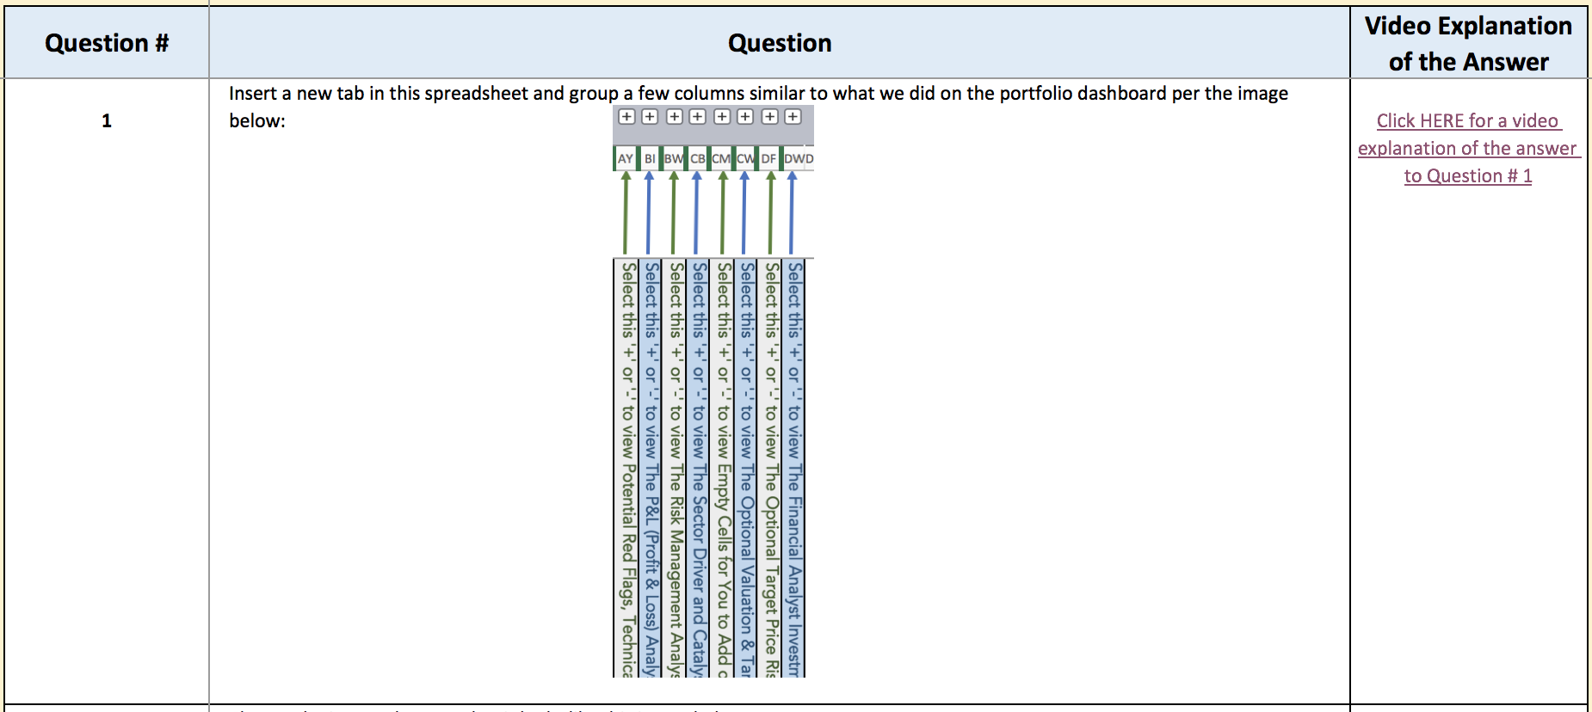
Exercise Instructions
Questions & Answers
1 to 10
What We WIll Learn in Other Excel Exercises

Welcome to the Instructions for Excel Exercise #4!

There are 10 questions in this Excel exercise. If you want, please watch the video lecture for this Exercise #4 and I will provide more detail on how to answer the questions. This exercise will focus on advanced formatting tips to impress your boss, clients or colleagues. Thanks

If you don't want to use the buttons to navigate to the different tabs in this spreadsheet, then please click on the tabs on the bottom of this spreadsheet.

If you have any questions, please let me know by asking questions in the Q&A section of the course.

To get started, please click on the button above called "Questions and Answers 1 to 10." Also, please try to answer each question initially without help (depending on how much experience you have with Excel). Once you have answered the question, please either click on the Video Explanation of the Answer link (please see the green arrow below) or watch the answers lesson associated with Exercise #4 in the course.

Exercise #4 Q & A for 1 - 10
Exercise Instructions
Questions & Answers
1 to 10
What We WIll Learn in Other Excel Exercises
If you want, after you finish each question, click on the link in column D that explains the answer or watch the video in the course associated with the answers to Exercise #4. Thanks
 | Question # | Question | Video Explanation of the Answer
 | 1 |  Insert a new tab in this spreadsheet and group a few columns similar to what we did on the portfolio dashboard per the image below: | Click HERE for a video explanation of the answer to Question # 1
 | 2 | Change the image above so that it looks like this image below: | Click HERE for a video explanation of the answer to Question # 2
 | 3 | 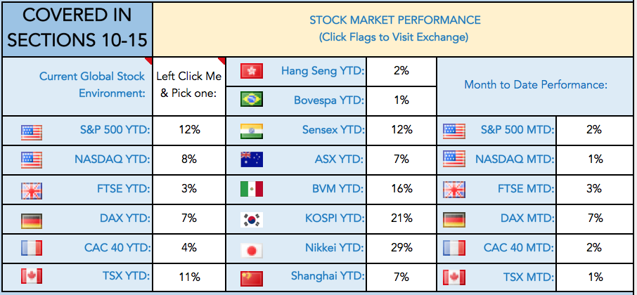 Open your Portfolio Dashboard file, which is attached as a resource to Section 1 and paste the following cells as an image: | Click HERE for a video explanation of the answer to Question # 3
Your Favorite Financial News Website
 | 4 | We will use what we learn from the next 7 questions to create buttons with images that contain links to other sources. Create an image that resembles the one below with the text of your favorite financial news website inside (i.e., the FT or Wall Street Journal etc). : | Click HERE for a video explanation of the answer to Question # 4
Your Favorite Financial News Website
 | 5 | Right justify the text and change the image to resemble this look: | Click HERE for a video explanation of the answer to Question # 5
Your Favorite Financial News Website
 | 6 |  Insert the logo of the publication per the image below (pretend the logo in my example is shown below): | Click HERE for a video explanation of the answer to Question # 6
 | 7 | 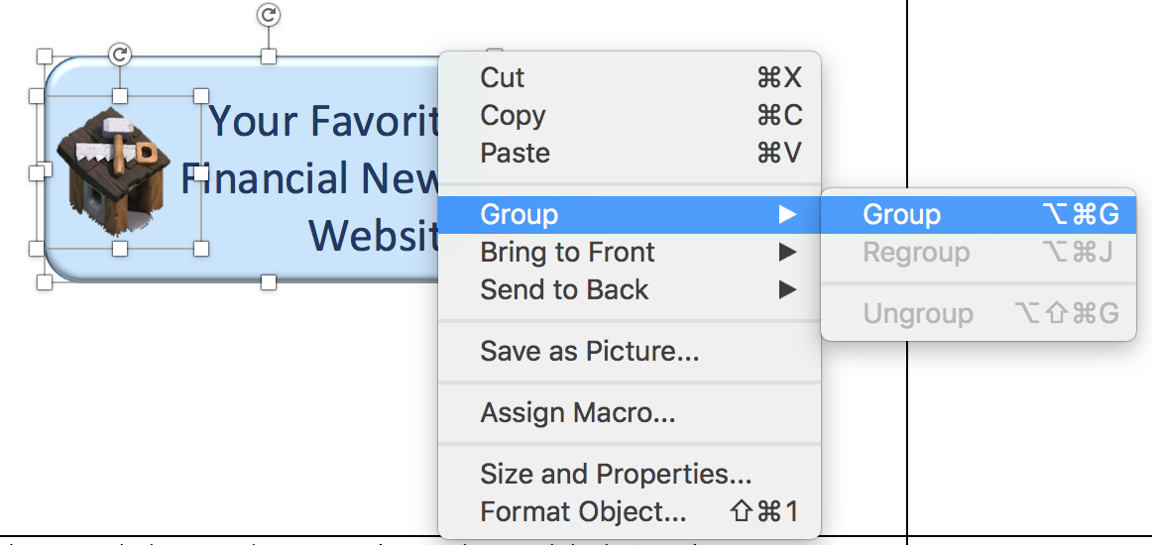 Now group the items so you can move them together (and so you only have to assign one hyperlink and not 2…meaning 1 for the image and 1 for the button): | Click HERE for a video explanation of the answer to Question # 7
 | 8 | 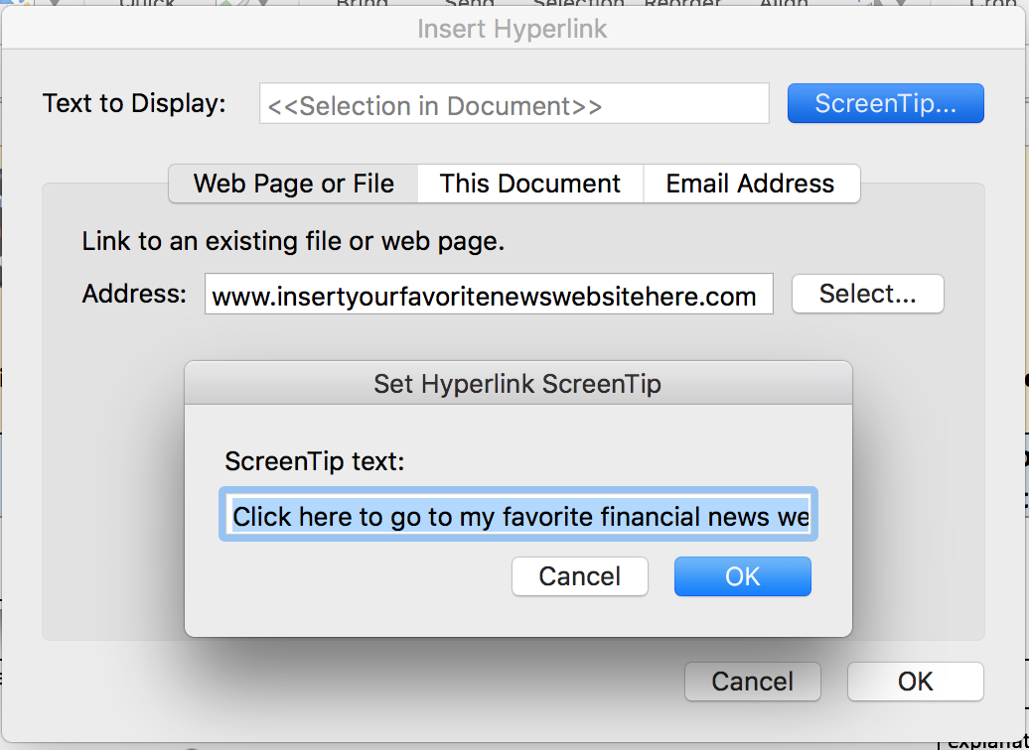 Now add the website name as a hyperlink and a description of the hyperlink when your users mouse over your button: | Click HERE for a video explanation of the answer to Question # 8
Your Favorite Financial News Website
 | 9 | Add a yellow box per the image below behind your button and decrease the size and the font of your button so that it is exactly the same height as my buttons above. Please remember to right click if you need help: | Click HERE for a video explanation of the answer to Question # 9
Your Favorite Financial News Website
2nd Favorite Financial News Website
 | 10 | Add another button beside your other button that links to your second favorite financial news website. Make the button the exact same size as the first and please have it perfectly aligned with the first button button. Make sure it has a small reflection beneath it and that all items are grouped together: | Click HERE for a video explanation of the answer to Question # 10

What We Will Learn in Ex 1-10
Exercise Instructions
Questions & Answers
1 to 10
What We WIll Learn in Other Excel Exercises

Below is a list of what finance and Excel concepts are covered in the Excel Exercises from Sections 3 through 15 of this course. For exercises in Sections 16 through 55, please see those sections on the Udemy course curriculum page or in the "Index.PDF" file, which is attached to lecture #2 in Section #1. Thanks
Exercise # | What Finance Concepts Are Covered? | What Excel Concepts are Covered?
Exercise #1 | GDP & IMF Data | Basics, Charting, Filtering and Forecasting, Making Cool Navigation Icons / Buttons in Excel the incredibly easy way!
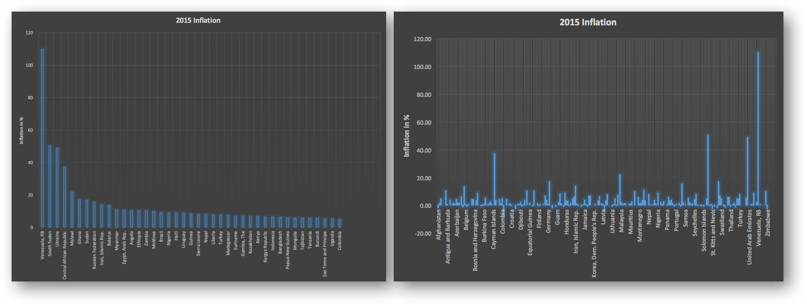 Exercise #2 | World Bank & Inflation Data | More Advanced Charting & Filtering
Exercise #3 | Unemployment | Formulas Intro & Additional Charting
Dashboard
Help &
Data Builder
Find Correct
Ticker Help
Portfolio
Dashboard
Exercise #4 | Portfolio Dashboarding: Your Finance Radar Screen! | Advanced Formatting (Your Manager & Clients Will Love this!)
Exercise #5 | Stock Markets, Indexes, Valuation, Recessions and Bull Markets | Advanced Formulas, Conditional Formatting, If Statements, Naming Inputs in Complex Formulas and More Advanced Charting & Filtering
Exercise #6 | Stock Market Sector Analysis, Market Caps, Risk Management Concepts | Accessing Live Stock Market Data Feeds, Pivot Tables, Advanced Conditional Formatting and Filtering, Excel Add-Ins, Data Analysis etc.
Exercise #7 | Stock Portfolio Creation and Accessing Domestic and International Stock Information. | Introducing the Yahoo Finance API! Don't worry, I will explain exactly how to use this unbelievable FREE resource over the next few lectures.
Exercise #8 | Foreign Exchange Impact on a Portfolio, Share Counts, Research Analyst Tracking. | Spinners (very cool feature), Goal Seek, Advanced Formatting, Misc. Portfolio Calculation Using Excel Formulas
Exercise #9 | Identifying Sector Drivers, Populating Stock Market Tables, Calculating Sector Exposure (for Risk Management). Investing Position Sizing Analysis. | Vlookup Function, Arrays, Automatic Data Insertion, More Advanced Conditional Formatting.
Exercise #10 | Beta (measures stock volatility), Additions to our Portfolio Management Dashboard, including 48 types of data inputs. | Grouping, Paste Special, Summary Formulas,

